Bug Report
Bug ID | Discription | Step to Reproduce | Expected Result | Actual Result | Severity | Priority | Screenshot
Bug_001 | After clicking on Home tab it does not navigate on home page. | 1. Launch URL 2.Click on Home tab. | User should able to navigate on home page. | user does not navigate to home page | Minor | Medium
Bug_002 | After clicking on 'About Us' it does not navigate in About us page. | 1.Launch URL 2.Click on About us tab. | User should able to navigate on About Us page. | user does not navigate to About Us page. | Major | Medium
Bug_003 | After clicking on 'Women Traditional' tab it does not navigate on women traditional page. | 1.Launch URL 2.Click on All Categories 3.Click on womens traditional. | User should able to navigate on women traditional page. | User does not navigate on Womens Traditional page. | Major | High
Bug_004 | After clicking on 'Mens Traditional' tab it does not navigate on Mens Traditional page. | 1.Launch URL 2.Click on All Categories 3.Click on mens traditional. | User should able to navigate on mens traditional page. | User does not navigate on Mens traditonal page. | Minor | HIgh
Bug_005 | After clicking on 'Contact Us' tab it does not navigate on contact us page. | 1.Launch URL 2.Click on contact us tab. | User should able to navigate on contact us page. | User does not able to navigate on contact us page. | Major | Medium
Bug_006 | After clicking on 'Search Button' it does not navigate on next page. | 1.Launch URL 2.Click on Search Button. | User should able to navigate to next page. | User does not able to navigate on next page | Major | HIgh
Bug_007 | After clicking in slider it does not show all the slides. | 1.Launch URL 2.Click on slider tab. | User should able to see all the slides on slider page. | User does not able to see all the slides on slider page. | Minor | Medium
Bug_008 | After clicking on 'Add To Cart' tab it does not navigate on add to cart page. | 1.Launch URL 2.click on 'Add to cart' tab. | User should able to navigate on add to cart page. | User does not able to navigate on add to cart page. | Major | High | 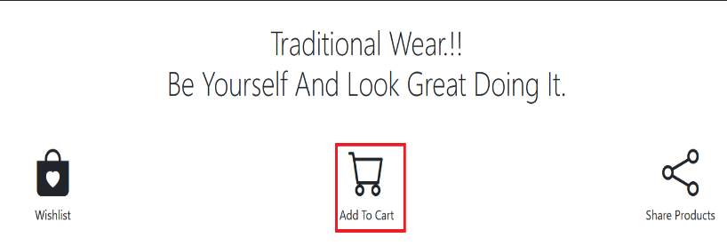
Bug_009 | After clicking on 'Wish List' tab it does not navigate on wish list tab. | 1.Launch URL 2.Click on 'Wish List' tab. | User should able to navigate on wish list page. | User does not able to navigate on wish list page. | Major | Medium
Bug_010 | After clicking on 'Share Product' tab it does not navigate on share product page. | 1.Launch URL 2.Click on 'Share Product' tab. | User should able to navigate in share product page. | User does not able to navigate on share product page. | Minor | Medium
Bug_011 | After clicking on different type of product which will displayed in web page. | 1.Launch URL 2.Click on different types of product links. | User should able to navigate on selected type of product. | User does not able to navigate on selected type of product. | Major | Medium | 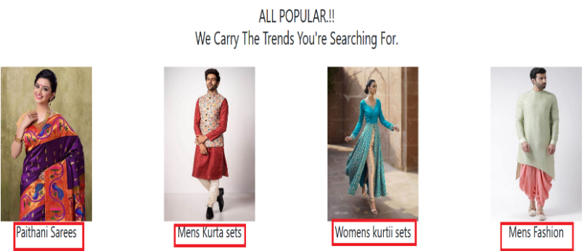
Bug_012 | After clicking on full name field it accept Special charaters | 1.Launch URL 2.Click on full name field. | User should not able to enter special Characters. | User able to enter Special characters in full name field. | Minor | Low
Bug_013 | After clicking on full name field it accept Numeric Data | 1.Launch URL 2.Click on full name field. | User should not able to enter Numeric Data. | User able to enter numeric data in full name field. | Minor | Low
Bug_014 | After clicking 'Submit Button' it does not save feedback details. | 1.Launch URL 2.Click on Submit button. | User should able to submit the feedback details | User does not able to submit the feedback details. | Major | Medium | 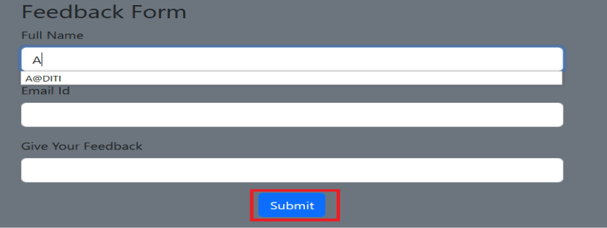
Bug_015 | After clicking on 'Just Arrived' tab it does not navigate on just arrived page. | 1.Launch URL 2.Click on 'Just Arrived' tab. | User should able to navigate on Just arrived page. | User does not able to navigate on Just Arrived page. | Minor | Low
Bug_016 | After clicking on 'Best Sellers' it does not navigate on best sellers page. | 1.Launch URL 2.Click on 'Best Sellers' tab. | User should able to navigate on best sellers page. | User does not able to navigate on best seller page. | Minor | Low
Bug_017 | After clicking on 'Gift Cards' tab it does not navigate on Gift Cards page. | 1.Launch URL 2.Click on 'Gift Cards' tab. | User should able to navigate on Gift Cards page. | User does not able to navigate on Gift Cards page. | Minor | Low
Bug_018 | After clicking on 'Store Location' tab it does not navigate on store location page. | 1.Launch URL 2.Click on 'Store Location' tab. | User Should able to navigate on store location page. | User does not able to navigate on store location page. | Minor | Low
Bug_019 | After clicking on 'Online Booking' tab it does not navigate on Online Booking page. | 1.Launch URL 2.Click on 'Online Booking' tab. | user should able to navigate on Online booking page. | User does not able to navigate on online booking page. | Minor | Low
Bug_020 | After clicking on 'Online Ordering' tab it does not navigate on Online ordering page. | 1.Launch URL 2.Click on 'Online Ordering' tab. | User should able to navigate on online ordering page. | User does not able to navigate on online ordering page. | Minor | low
Bug_021 | After clicking on 'Payments' tab it does not navigate on payments page. | 1.Launch URL 2.Click on payments tab. | User should able to navigate on payments page. | User does not able to navigate on payments page. | Major | Medium
Bug_022 | After clicking on 'Shipping' tab it does not navigate on shipping page. | 1.Launch URL 2.Click on shipping tab. | User should able to navigate on shipping page. | User does not able to navigate on shipping page. | Minor | Low
Bug_023 | After Clicking on 'Order Track' tab it does not navigate on order track page. | 1.Launch URL 2.Click on order track tab. | User should able to navigate on order track page. | User does not able to navigate on order track page. | Minor | Low
Bug_024 | After clicking on 'Return and Exchange' tab it does not navigate on return and exchange page. | 1.Launch URL 2.Click on 'Return and Exchange tab. | User should able to navigate on return and exchange page. | User does not able to navigate on return and exchange page. | Major | Medium
Bug_025 | After clicking on 'Facebook' tab it does not navigate on facebook page. | 1.Launch URL 2.Click on 'facebook' tab. | User should able to navigate on facebook page. | User does not able to navigate on facebook page. | Major | High
Bug_026 | After clicking on 'Instagram' tab it does not navigate on instagram page. | 1.Launch URL 2.Click on 'Instagram' tab. | User should able to navigate on Instagram page. | User does not able to navigate on Instagram page. | Major | High
Bug_027 | After clicking on 'Twitter' tab it does not navigate on twitter page | 1.Launch URL 2.Click on 'Twitter' tab. | User should able to navigate on Twitter page. | User does not able to navigate on twitter page. | Major | High

